Summary
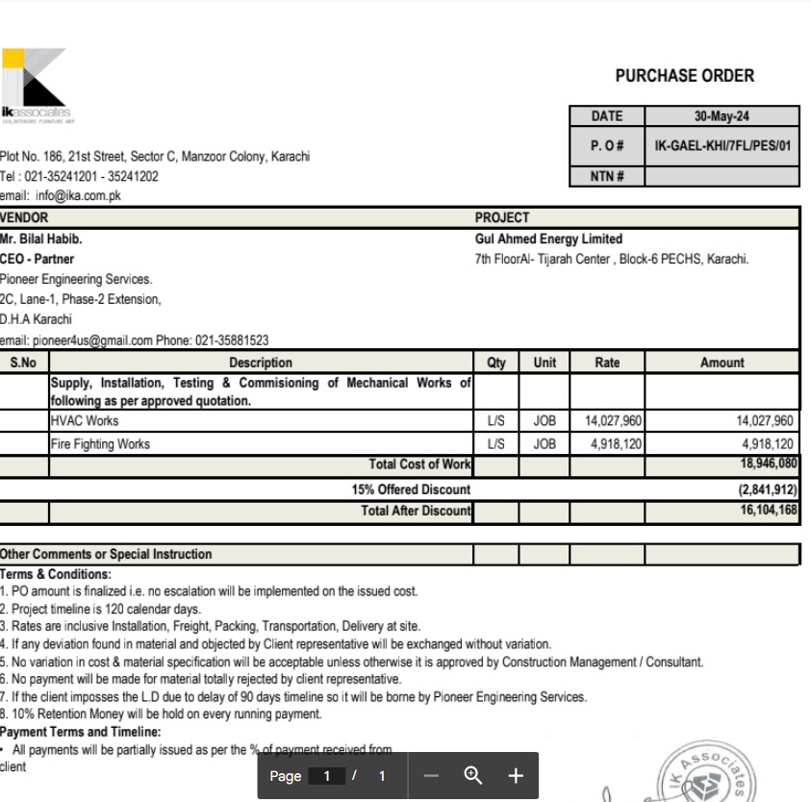

HVAC, Fire & Plumbing Work |  |  |  | 15-May-24

GUL AHMED ENERGY LIMITED
PHASE # 2 7TH FLOOR, AL-TIJARAH CENTER KARACHI

SUMMARY OF BILL OF QUANTITIES

S.No | Description | Material | Labour | Amount

1 | HVAC Work | 10,192,735 | 3,835,225 | 14,027,960
2 | Fire Fighting | 3,830,620 | 1,087,500 | 4,918,120
3 | Plumbing Works | 673,000 | 145,000

 | Grand Total Amount | 14,696,355 | 5,067,725 | 18,946,080

